Summary
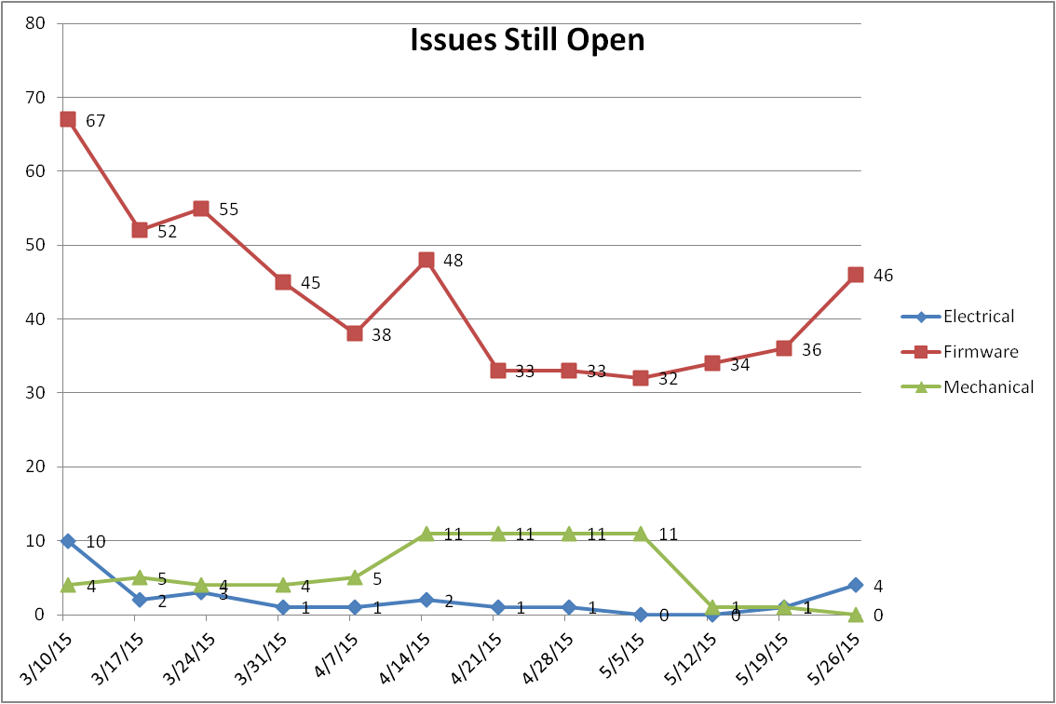
...
Opening Issue Status
 | Severity 1 | Severity 2 | Severity 3 | Severity 4 | Total Open Issue
8/10/2015 | 0 | 0 | 3 | 0 | 3
8/17/2015 | 0 | 2 | 5 | 0 | 7
8/24/2015 | 0 | 2 | 5 | 0 | 7
8/31/2015 | 0 | 2 | 5 | 0 | 7
9/7/2015 | 0 | 2 | 6 | 0 | 8
9/14/2015 | 0 | 3 | 9 | 0 | 12
9/21/2015 | 1 | 11 | 15 | 0 | 27

Total Issue Distribution
 | Total Electrical issue | Total FW/SW issue | Total Mechanical issue | Total Closed | Total Open Issue
8/10/2015 | 0 | 3 | 0 | 0 | 3
8/17/2015 | 0 | 7 | 0 | 0 | 7
8/24/2015 | 0 | 7 | 0 | 0 | 7
8/31/2015 | 0 | 7 | 0 | 0 | 7
9/7/2015 | 1 | 7 | 0 | 0 | 8
9/14/2015 | 4 | 7 | 1 | 0 | 12
9/21/2015 | 6 | 20 | 1 | 0 | 27

Issue Still Open | 8/10/15 | 8/17/15 | 8/17/15 | 8/17/15 | 9/7/15 | 9/14/15 | 9/21/15
Electrical | 0 | 0 | 0 | 0 | 1 | 4 | 6
Firmware | 3 | 7 | 7 | 7 | 7 | 7 | 20
Mechanical | 0 | 0 | 0 | 0 | 0 | 1 | 1

Issue Still Open
 | Electrical | Firmware | Mechanical
8/10/15 | 0 | 3 | 0
8/17/15 | 0 | 7 | 0
8/17/15 | 0 | 7 | 0
8/17/15 | 0 | 7 | 0
9/7/15 | 1 | 7 | 0
9/14/15 | 4 | 7 | 1
9/21/15 | 6 | 20 | 1

FW Issue Report
Description | Status | Severity | Priority | Areas | Originator | Action
[Hardware] P/N: JVPBA001679A+A S/N: JWX162700007 [SW/FW Ver.] CPLD: V00.02 [Description] PWR_EN_HDD_L register 1b/0b's action is reversed to trigger signal high or low voltage. Duplication Step: In CPLD Spec, when register 10h/11h bits set to 0b dicicating that the related signal is in LOW voltage, when 1b, the related signal is in HIGH voltage. However, during test with CPLD V00.02, when write register bits to 0b, the related signals PWR_EN_HDD[1:8] are in HIGH, otherwise, the signals are LOW when register bits are 1b. Duplicate Step: 1. Power on SIDEPLANE. 2. Write the direct register 10 with data FFh, measure that the signals PWR_EN_HDD[1:8] are in LOW voltage. 3. Write the direct register 10 with data 00h, measure that the signals PWR_EN_HDD[1:8] are in HIGH voltage. | Assigned | 3-Limiting | 2-High | FW | Orange Ding | [Denny:] The CPLD output signal is PWR_EN_HDD[1:8]_L, and the PWR_EN_HDD[1:8] is the inverse signal for PWR_EN_HDD[1:8]_L. Update section 5.3 Register Map to solve this issue.
[Hardware] P/N: JVPBA001679A+A S/N: JWX162700007 [SW/FW Ver.] CPLD: V00.02 [Description] Reserved Toggle Rates have been written which should not as design. Duplication Step: The reserved toggle rates code shall not be written in latest CPLD spec. However the reserved toggle rates code can be written directly. Duplicate Step: 1. Powr on SIDEPLANE. 2. Write the reserved toggle rates code to register such as 20h, 30h, then check that the data could be written. | Assigned | 3-Limiting | 3-Normal | FW | Orange Ding | [Denny:] Update section 5.4 Signal Toggle Rates to solve this issue
[Hardware] P/N: JVPBA001679A+A S/N: JWX162700007 [SW/FW Ver.] CPLD: V00.02 [Description] When I2C_ALERT_L is de-asserted, the output voltage alternates between 1.8V and 0mv. Duplication Step: 1. Power on SIDEPLANE. 2. Send a read command to read 90h, then capture the signal I2C_ALERT_L. 3. Checking that the output volate alternates between 1.8V and 0mv. 4. Insert a HDD into slot1 to generate I2C_ALERT, then measure that the output voltage altermates between 0mv and 800mv. | Assigned | 2-Severe | 2-High | FW | Orange Ding | 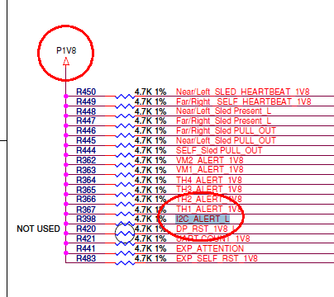 [Denny:] The CPLD output for I2C_ALERT_L is OC output, the voltage should depend on the pull high voltage. Refer to below sch, and please check with Jim.
[Hardware] P/N: JVPBA001679A+A S/N: JWX162700007 [SW/FW Ver.] CPLD: V00.02 [Description] When writting the register 60h to 0x20, the Health LED shall be SOLID on and the Fault LED shall be blink. However, the Health LED is off actually. Duplication Step: 1. Power on SIDEPLANE. 2. Write the direct register 60h to 0x20. 3. Check that the Health LED is off and Fault LED is blink. | Assigned | 2-Severe | 2-High | FW | Orange Ding | [Denny:] Fixed by v0.6
[Hardware] P/N: JVPBA001679A+A S/N: JWX162700007 [SW/FW Ver.] CPLD: V00.02 [Description] 0x00 shall be returned when read some invalid registers. Duplication Step:1. Power on SIDEPLANE. 2. Send a read command to an invalid register B8h which is undefined in the design specification, and check if the return data is 0x00. 3. Send a read command to an invalid register 28h-2Fh which are undefined in the design specification, and check if the return data are all 0x11. 4. Send a read command to an invalid register 38h-3Fh which are undefined in the design specification, and check if the return data are all 0x11. | Assigned | 3-Limiting | 4-Low | FW | Orange Ding | [Denny:] Delete the related description in section 5.1.2.1 and 5.5.2.2
[Hardware] P/N: JVPBA001679A+A S/N: JWX162700007 [SW/FW Ver.] CPLD: V00.02 [Description] Register could be written successfully even with a wrong checksum. Duplication Step:1. Power on SIDEPLANE. 2. Check the current return data of 20h is 0x11. 3. Send a write command with data 0x33 0xCD to register offset pointer 20h. 4. Send a read command to read data from register offset pointer 20h, it shall be 0x33. 5. Send a write command with data 0x00 0x54 (a wrong checksum) to register offset pointer 20h. 4. Send a read command to read data from register offset pointer 20h, the read data is 0x00 (0x33 shall be correct.) | Assigned | 3-Limiting | 3-Normal | FW | Orange Ding | [Denny:] Delete the section 5.1.3.2 Checksum for write
[Hardware] P/N: JVPBA001679A+A S/N: JWX162700007 [SW/FW Ver.] CPLD: V00.02 [Description] When write register 70h with data 0010b, the Enclosure Health LED and Enclosure Fault LED shall be blink as pattern 0.9sec ON, 0.1sec OFF, Loop. However, both LEDs are blink with 0.5sec ON, 0.5sec OFF, Loop. Duplication Step: 1. Power on SIDEPLANE. 2. Write direct register 70h with data 0x20, and check if the data read from this register is 0x20. 3. Check the Enclosure_Health_LED is SOLID on, Enclosure_Fault_LED health LED is blink as pattern 0.5sec ON, 0.5sec OFF, loop. 4. Write direct register 70h with data 0x02, and check if the data read from this register is 0x02. 5. Check the Enclosure_Fault_LED is SOLID on, Enclosure_Health_LED health LED is blink as pattern 0.5sec ON, 0.5sec OFF, loop. | Assigned | 3-Limiting | 2-High | FW | Orange Ding | [Denny:] Fixed by v0.6
[Hardware] EVT 03 Chassis [SW/FW Ver.] SAS App: v01_00 SAS Mfg: v01_02 CPLD: V00.04 [Description] Connect the serial port to host server, and then power on the enclosure, but the terminal display messy code continually | Assigned | 3-Limiting | 2-High | FW | Bo Li | Jim: check it on DVT PCB.
[Hardware] EVT 03 Chassis [SW/FW Ver.] SAS App: v01_00 SAS Mfg: v01_02 CPLD: V00.04 [Description] Power on the system and didn't do any action, the expander will auto reset by watch dog after a moment | Assigned | 1-Catastrophic | 1-Urgent | FW | Bo Li | Rungang: Fix in V01.02.
[Hardware] EVT 03 Chassis [SW/FW Ver.] SAS App: v01_00 SAS Mfg: v01_02 CPLD: V00.04 [Description] Power on the system with only one sled, the value Local 12V voltage sensor is 0, and the sensor is set critical by UF status | Assigned | 2-Severe | 2-High | FW | Bo Li | Rungang: Fix in V01.02.
[Hardware] EVT 03 Chassis [SW/FW Ver.] SAS App: v01_00 SAS Mfg: v01_02 CPLD: V00.04 [Description] Set the fan speed for each fan, but the actual fan speed didn't mathc the definition in "fan help" command | Assigned | 3-Limiting | 3-Normal | FW | Bo Li | Rungang: Fix in V01.02.
[Hardware] EVT 03 Chassis [SW/FW Ver.] SAS App: v01_00 SAS Mfg: v01_02 CPLD: V00.04 [Description] Power on the system and the current sensor is OT, but the status is still OK | Assigned | 3-Limiting | 3-Normal | FW | Bo Li | Rungang: Fix in V01.02.
[Hardware] EVT 03 Chassis [SW/FW Ver.] SAS App: v01_00 SAS Mfg: v01_02 CPLD: V00.04 [Description] Set id and flt status for any element in sled, but the blue and red LED flash simultaneously, base on FW spec, the blue LED should take over red LED | Assigned | 3-Limiting | 3-Normal | FW | Bo Li | Rungang: Fix in V01.02.
...

